Sheet1
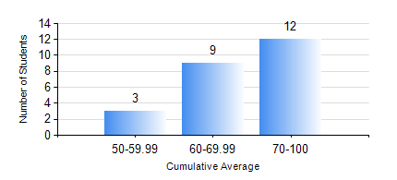
 |  |  | KWAME NKRUMAH UNIVERSITY OF SCIENCE AND TECHNOLOGY, KUMASI Department of Mechanical Engineering

 |  |  | BSC. AEROSPACE ENG., General Option

 |  |  | COMPREHENSIVE RECORD OF EXAMINATION RESULTS

 |  |  | RESULTS OF YEAR 4 FIRST SEMESTER, 2020/2021 ACADEMIC YEAR

 | Sn | Course Code |  | Course Name | Credit Hours | Min. Mark | Max. Mark | Avg. Mark | Std. Dev. | No. Passed | No. Trailed | No. (Df) | No. (I) | No. (I*) | No. Tagged(I,I*,Df) | Total
 | 1. | AERO 473 |  | AEROSPACE VEHICLE DESIGN | 4 | 59 | 88 | 76 | 7.7 | 24 | 0 | 0 | 0 | 0 | 0 | 24
 | 2. | AERO 483 |  | AVIONICS | 3 | 33 | 80 | 56 | 11.62 | 22 | 2 | 0 | 0 | 0 | 0 | 24
 | 3. | AERO 491 |  | AVIATION BUSINESS MANAGEMENT | 2 | 54 | 76 | 68 | 5.96 | 24 | 0 | 0 | 0 | 0 | 0 | 24
 | 4. | AERO 493 |  | AEROSPACE ENGINEERING VACATION TRAINING III | 2 | 70 | 83 | 77 | 3.16 | 24 | 0 | 0 | 0 | 0 | 0 | 24
 | 5. | AERO 495 |  | AIRCRAFT MAINTENANCE ENGINEERING | 2 | 48 | 81 | 64 | 8.46 | 24 | 0 | 0 | 0 | 0 | 0 | 24
 | 6. | AERO 497 |  | PROJECT I | 3 | 60 | 72 | 67 | 4.24 | 24 | 0 | 0 | 0 | 0 | 0 | 24
 | 7. | ME 461 |  | VIBRATION ENGINEERING | 3 | 70 | 80 | 75 | 7.07 | 2 | 0 | 0 | 0 | 0 | 0 | 2
 | 8. | ME 467 |  | RENEWABLE ENERGY CONVERSION | 2 | 51 | 89 | 70 | 12.06 | 13 | 0 | 0 | 0 | 0 | 0 | 13
 | 9. | ME 473 |  | CAD/CAM | 3 | 47 | 93 | 76 | 16.64 | 13 | 0 | 0 | 0 | 0 | 0 | 13

